Communication
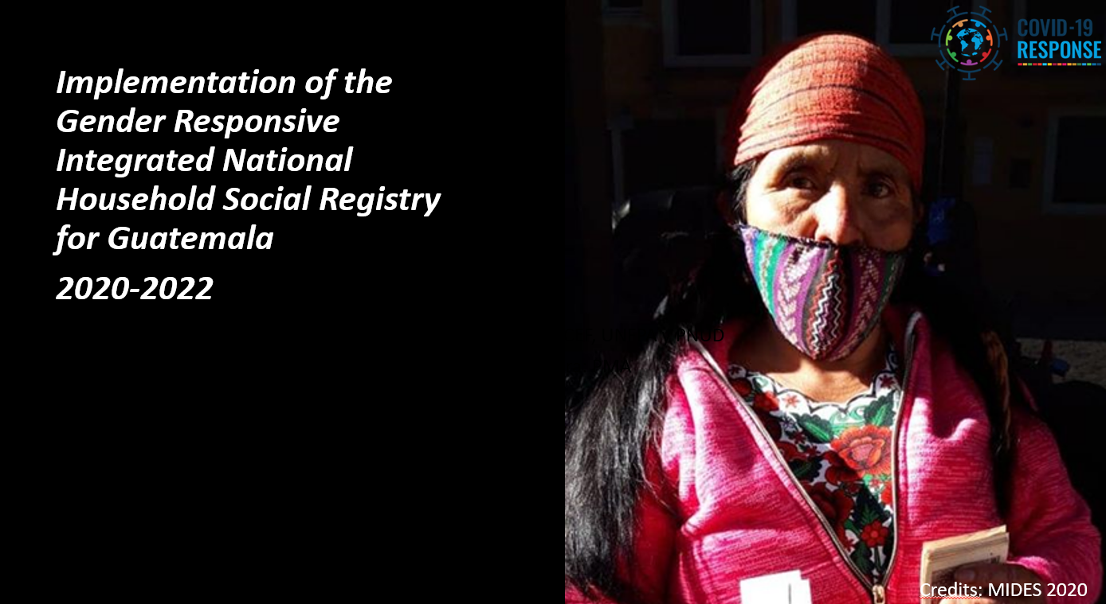
1. Impact Stories from the Field
Please submit one impactful story showing how your work has met critical needs in the context of the pandemic and supporting progress towards the SDGs, especially for vulnerable people. Ideally, this story will feature testimonials from the targeted groups. Please also take a moment to highlight any specific results on gender equality and LNOB, as relevant.
Video 1:
https://drive.google.com/file/d/1tBumMkpRNV4QHLem0wL2AP97BEnEL4v7/view?usp=sharing
Video 2:
https://drive.google.com/file/d/1uEbjWGYzvBqaVsN0KP9FpNp2jYyvVlTG/view?usp=sharing
Life story 1:
https://drive.google.com/file/d/1R29GgXRmgICvIi2g3cp_zFJ6PuzjbgXE/view?usp=sharing
Photographs (credits: UNDP)
https://drive.google.com/drive/folders/1GPPmCX4DiKKZjsLxzsY8dNZtLH6m-Eqx?usp=sharing

2. Upload here: Communications and Visibility (OPTIONAL)
Please include highlights of communications and visibility efforts supported by the Programme during the project implementation, if relevant. (up to 500 words)
To share the video as well as picture material please make sure you include all credits and share them in high resolution.

Links about the Joint Program:
https://www.undp.org/es/guatemala/blog/registro-social-de-hogares-en-guatemala-como-mecanismo-para-contribuir-la-reduccion-de-la-pobreza
https://www.mides.gob.gt/informan-avances-del-registro-social-de-hogares/
https://guatemala.gob.gt/inicio-ultimo-levantamiento-para-piloto-del-registro-social-de-hogares/
https://guatemala.gob.gt/registro-social-de-hogares-inicia-levantamiento-de-informacion-en-campo/

Submit photographs. Please provide with captions and in high resolution, photographs that capture the programme in action. Strong photographs will be considered for inclusion in the COVID-19 MPTF publications and social media.
Please provide links to any videos that have been produced during implementation.
Please produce and share a social media card(s). See an example below and visit our Trello Board.
See - Fund's Trello Board

