Approved Budgets
NZ - UN Pacific Partnership - @11 May 2020

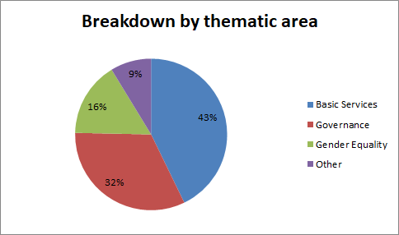
All amounts in NZD and inclusive of 7% indirect costs per UN implementing agency |  |  | NZD | USD
Activity | Agency | PICTs | Allocation for 2.5 years
BASIC SERVICES
1. Adolescent SRHR for girls and boys | UNFPA | FSM, RMI, Solomon Islands | $2,820,000 | 1,806,774
2. Improving demand for immunisation services | UNICEF | FSM, RMI & Fiji | $1,250,000 | 800,875
3. First 1000 Days expansion |  | Vanuatu, Solomon Isl, Kiribati/FSM | $3,100,000 | 1,986,170
4. Building Better Brains expansion |  | FSM, Cook Islands, and Pacific Regional
5. Early childhood education policies, plans and teacher training |  | Fiji, Solomon Islands, Tonga, Tuvalu, Vanuatu | $2,500,000 | 1,601,750
6. Birth registration |  | Kiribati, Samoa, Solomon, Vanuatu | $700,000 | 448,490
Total - Basic services |  |  | $10,370,000 | 6,644,059
GOVERNANCE
1.Integrity and Anti-Corruption for Sustainable Development (UN- PRAC) | UNDP | 14 PICTs | $4,000,000 | 2,562,800
2. MICS (including domestic violence and gender components - UNFPA) | UNICEF | Fiji, Vanuatu, Cook Islands | $3,150,000 | 2,018,205
 | UNFPA
3. Census | UNFPA | FSM, Kiribati, Tonga, Vanuatu | $1,000,000 | 640,700
Total - Governance |  |  | $8,150,000 | 5,221,705
GENDER EQUALITY
1. Markets for Change | UN Women | Solomon Islands, Fiji and Vanuatu | $4,000,000 | 2,562,800
 | UNDP |  |  |  | Total Programmable Funds (USD)
Total - Gender equality |  |  | $4,000,000 | 2,562,800 | $14,428,564
OTHER
1. Secretariat Costs (6 month Consultant + NZ SARC staffer for RCO including associated overheads and travel) | RCO | Staff costs plus travel to Apia | $750,000 | 480,525
2. Communications | RCO | UNPP launch and communications materials | $25,000 | 16,018 | RCO Funds (USD)
3. External review | MFAT | Consultancy | $200,000 | 128,140 | $1,238,473
4. Unallocated | MFAT/tbc | Next UNPS prep - tbc | $458,000 | 293,441
 |  | UN capacity development analysis - tbc |  |  | Total Available for Fund Transfer

5. 1% MPTF fee (of $24.7m) | MPTF Office |  | $247,000 | 158,253 | $15,667,037
6. Contingency | MFAT |  | $500,000 | 320,350
Total - Other costs |  |  | $2,180,000 | 1,396,726
Total |  |  | $24,700,000 | $15,825,290

