Communication
1. Impact Stories from the Field
Please submit one impactful story showing how your work has met critical needs in the context of the pandemic and supporting progress towards the SDGs, especially for vulnerable people. Ideally, this story will feature testimonials from the targeted groups. Please also take a moment to highlight any specific results on gender equality and LNOB, as relevant.

2. Upload here: Communications and Visibility (OPTIONAL)
Please include highlights of communications and visibility efforts supported by the Programme during the project implementation, if relevant. (up to 500 words)
To share the video as well as picture material please make sure you include all credits and share them in high resolution.
Submit photographs. Please provide with captions and in high resolution, photographs that capture the programme in action. Strong photographs will be considered for inclusion in the COVID-19 MPTF publications and social media.
Please provide links to any videos that have been produced during implementation.
Please produce and share a social media card(s). See an example below and visit our Trello Board.
See - Fund's Trello Board

UNFPA DOMINICAN REPUBLIC
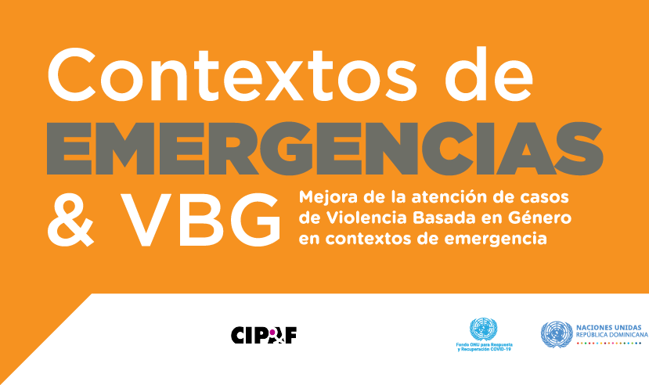

Emergency contexts and Gender Based Violence: Improving attention to cases of violence in emergency contexts
During the implementation of the MPTF joint project UNFPA Dominican Republic developed communication materials that supported the workshop “Improving attention to cases of violence in emergency contexts”. Within the framework of this action, we developed a campaign on social media with messages aimed at guiding public servants about their role and the correct way to act to provide an effective response to cases of violence in emergency contexts, who are vulnerable in these contexts and how to help them, highlighting good practices to take into account. Likewise, we prepared and distributed emergency backpacks containing basic supplies for the prioritized population in cases of emergency.
Communication materials developed by UNFPA DR:
Logo
Workshop materials
Participation certificate
Photographies
Social media campaign
Press release
Press release links
Emergency backpack kit

UNDP

As part of our visibility efforts for our initiatives funded through MPTF we:
- We supported a door to door campaign led by the Ministry of Women to raise awareness about GBV and available resources/help lines for victims. The campaign is called "Vivir sin Violencia es posible" and it includes flyers, visits to communities and other P2P efforts.
Products: https://drive.google.com/drive/folders/1LA9c_o-vagIhJ3FWAP1UDnixehvjimIi?usp=sharing

- We produced success stories that will be shared on social media, UNDP an UN's website about some of the initiatives that were funded through the project.
Products: https://we.tl/t-Cx78RrIqSb

UNICEF DOMINICAN REPUBLIC

After the launch with the Ministry of Health of the Plan for the Reduction of Acute Malnutrition, training and educational materials were made to support primary health centers and NGOs as well as families with children under 5 years old and pregnant and lactating women, Human life stories were capture and all materials and information is provided on a landing page created for this successful plan.

Landing Page
Testimonies
Potographies
Press release
Brochure
Instructive video

