Annex2 WHO Tables,Pictures,News
Branch Distribution Table of Healthcare Professionals Attending Training |  |  |  |  |  |  |  |  |  |  | Working place Distribution of Healthcare Professionals Attending Training
 | Branch | Ankara |  | Konya |  | Samsun |  | Total |  |  | Province / | Ankara |  | Konya |  | Samsun |  | Total
1 | Family Health Center Worker | 68 | 34,3% | 32 | 26,7% | 8 | 22,9% | 108 | 30,6% |  | Center
2 | Child Development | 1 | 0,5% | 3 | 2,5% | 0 | 0,0% | 4 | 1,1% |  | FHC / PHD | 144 | 72,7 % | 70 | 58,4 % | 20 | 57,1 % | 244 | 66,3 %
3 | nutritionist | 8 | 4,0% | 9 | 7,5% | 1 | 2,9% | 18 | 5,1% |  | RHC | 22 | 11,1 % | 15 | 12,5 % | 4 | 11,4 % | 41 | 11,6 %
4 | Midwife / Nurse | 20 | 10,1% | 20 | 16,7% | 8 | 22,9% | 48 | 13,6% |  | HLC | 32 | 16,2 % | 35 | 29,2 % | 11 | 31,4 | 78 | 22,1 %
5 | Physiotherapist | 3 | 1,5% | 4 | 3,3% | 1 | 2,9% | 8 | 2,3% |  |  | 198 |  | 120 |  | 35 |  | 353 | 100%
6 | Physician | 82 | 41,4% | 33 | 27,5% | 10 | 28,6% | 125 | 35,4%
7 | Psychologist | 6 | 3,0% | 7 | 5,8% | 2 | 5,7% | 15 | 4,2%
8 | Social Worker | 2 | 1,0% | 4 | 3,3% | 1 | 2,9% | 7 | 2,0% |  | Working place Distribution of Healthcare Professionals Attending Training
9 | Administrative Staff | 8 | 4,0% | 8 | 6,7% | 4 | 11,4% | 20 | 5,7% |  | Province / | Ankara |  | Konya |  | Samsun |  | Total
Total |  | 198 | 100 | 120 | 100 | 35 | 100 | 353 | 100 |  | Center
 |  |  |  |  |  |  |  |  |  |  | FHC / PHD | 144 | 72,7 % | 70 | 58,4 % | 20 | 57,1 % | 244 | 66,3 %
 |  |  |  |  |  |  |  |  |  |  | RHC | 22 | 11,1 % | 15 | 12,5 % | 4 | 11,4 % | 41 | 11,6 %
 |  |  |  |  |  |  |  |  |  |  | HLC | 32 | 16,2 % | 35 | 29,2 % | 11 | 31,4 | 78 | 22,1 %
 |  |  |  |  |  |  |  |  |  |  |  | 198 |  | 120 |  | 35 |  | 353 | 100%

 |  |  |  |  | Some Press News Samples About Telehealth

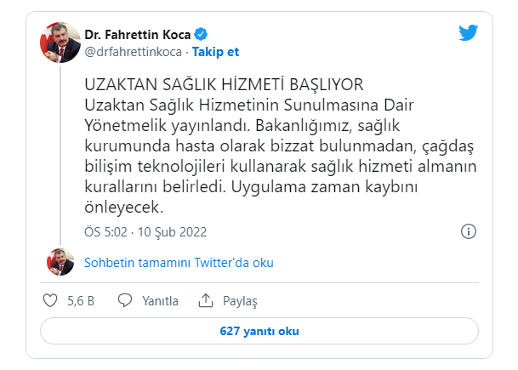
 |  |  |  |  |  |  |  |  |  | https://www.trthaber.com/haber/gundem/uzaktan-saglik-hizmeti-basliyor-ayrintilar-belli-oldu-653781.html
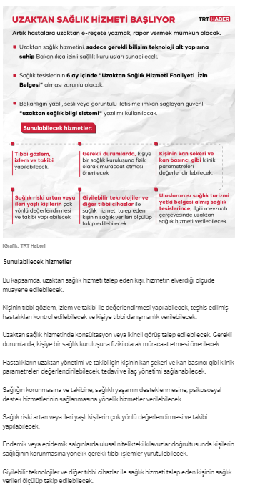
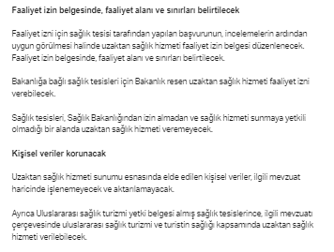

https://www.ntv.com.tr/saglik/bakan-koca-uzaktan-saglik-hizmeti-basliyor,gQfWZRkQDkCpDGjG8q7blA

 |  |  |  |  |  |  |  |  |  |  |  |  | https://www.hurriyet.com.tr/gundem/son-dakika-saglik-bakani-koca-duyurdu-uzaktan-saglik-hizmeti-basliyor-42001308

