Communication
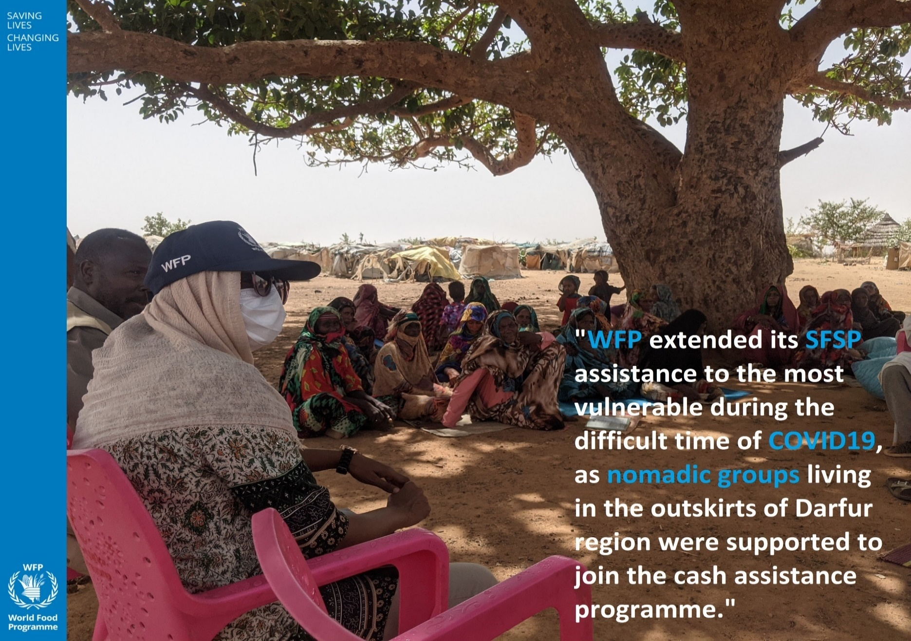
1. Impact Stories from the Field
Please submit one impactful story showing how your work has met critical needs in the context of the pandemic and supporting progress towards the SDGs, especially for vulnerable people. Ideally, this story will feature testimonials from the targeted groups. Please also take a moment to highlight any specific results on gender equality and LNOB, as relevant.
From the very launch of the Sudan Family Support Programme pilot phase in September 2020, WFP initiated the call centre as one of the predominant vehicles for Complaints and Feedback Mechanism as part of the Program. WFP provided the call centre with enough resources to listen carefully to the beneficiaries’ complaints, and accordingly resolve them. Throughout the pilot, and with generous support from donors such as the Covid-19 Multi-Partner Trust Fund, the call centre secured required laptops, servers and other equipment. Thereafter, WFP supported recruitment of sixteen operators from the government’s National Information Centre to operate the centre itself and provided them necessary trainings on complaints management counselling and referral pathways. Ibtehal, one of the call centre supervisors said, “the call centre added a lot to our experience. We now know how to counsel beneficiaries and refer cases to the suitable responded, which was not there before. And, we have also learned how to report on the call centre performance systematically. These efforts were all reflected on our ratio of closed cases and beneficiaries’ satisfaction”. As of January 2022, SFSP call centre received a total 17,368 calls out of which 13,100 were resolved. The percentage of resolved cases steadily increased to reach 100% resolved cases for the last four months (November 2021 to February 2022), owing to have established referral pathways for different types of cases with different elements of the Program as well as various Ministerial divisions. Further to this, the call centre played a key role in obtaining and refining beneficiaries’ data where the program struggled to receive usable data from the government. This initiative resulted in the verification and registration of 12,705 beneficiaries, who subsequently received direct cash assistance at a time where data was scarce and unreliable. A female head of household reached out to the call centre to explain how the monthly cash t

2. Upload here: Communications and Visibility (OPTIONAL)
Please include highlights of communications and visibility efforts supported by the Programme during the project implementation, if relevant. (up to 500 words)
With view to enhancing community awareness, perception and participation towards the SFSP, WFP Sudan facilitated an orientation workshop for 103 community leaders (sheikhs, omdas and women representatives). This was complemented with development and dissemination of communication materials describing the SFSP, eligibility criteria, entitlements, duration etc., as well as public service announcements and advertisements on radio and TV broadcasting channels. WFP Sudan also facilitated the launch of the SFSP website, which it used as a platform to provide factual information on the status of the Program subsequent to the events of 25 October 2021— while also monitoring media for rumors and misinformation. Alongside that, support was given to PIU for the management of SFSP social media pages to post and correspond to beneficiaries. In line with that, WFP revised and amended the PIU budgeted-communications plan for SFSP in addition to a comprehensive high-level communications strategy.
To share the video as well as picture material please make sure you include all credits and share them in high resolution.
Submit photographs. Please provide with captions and in high resolution, photographs that capture the programme in action. Strong photographs will be considered for inclusion in the COVID-19 MPTF publications and social media.
Please provide links to any videos that have been produced during implementation.
Please produce and share a social media card(s). See an example below and visit our Trello Board.
See - Fund's Trello Board

